Performance Scorecard
Performance Scorecard
 | Neha | Amit | Sachin
Contribution | 8 | 8 | 8
Initiative | 9 | 8 | 8
Bottleneck Analysis | 9 | 7 | 7
Average | 8.6666666667 | 7.6666666667 | 7.6666666667
 | Neha | Amit | Sachin
Contribution | 9 | 8 | 7
Initiative | 9 | 8 | 7
Bottleneck Analysis | 5 | 6 | 6
Average | 7.6666666667 | 7.3333333333 | 6.6666666667
 | Neha | Amit | Sachin
Contribution | 9 | 8 | 8
Initiative | 8 | 7 | 7
Bottleneck Analysis | 8 | 6 | 6
Average | 8.3333333333 | 7 | 7

Happiness Scorecard
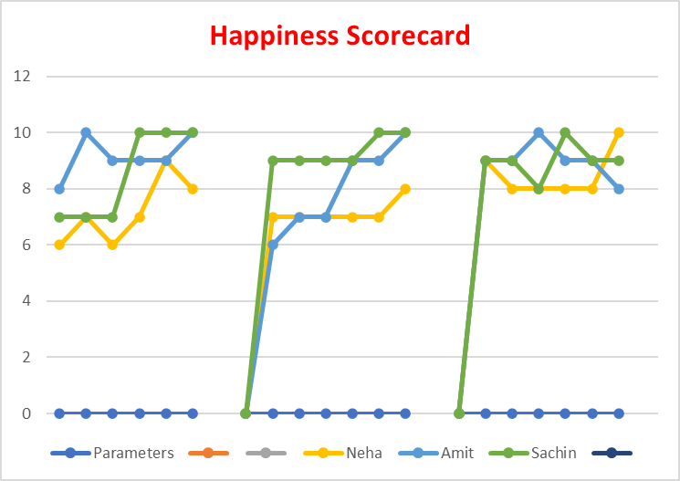
Parameters | Neha | Amit | Sachin
p1 | 6 | 8 | 7
p2 | 7 | 10 | 7
p3 | 6 | 9 | 7
p4 | 7 | 9 | 10
Week 1
Week 2
Week 3
p5 | 9 | 9 | 10
p6 | 8 | 10 | 10

Parameters | Neha | Amit | Sachin
p1 | 7 | 6 | 9
p2 | 7 | 7 | 9
p3 | 7 | 7 | 9
p4 | 7 | 9 | 9
p5 | 7 | 9 | 10
p6 | 8 | 10 | 10

Parameters | Neha | Amit | Sachin
p1 | 9 | 9 | 9
p2 | 8 | 9 | 9
p3 | 8 | 10 | 8
p4 | 8 | 9 | 10
p5 | 8 | 9 | 9
p6 | 10 | 8 | 9

Progress of Candidates
Progress of Candidates
 | Neha | Amit | Sachin
p1 | 10 | 8 | 6
p2 | 10 | 8 | 8
p3 | 9 | 7 | 4
p4 | 9 | 8 | 8
p5 | 9 | 8 | 7
p6 | 9 | 8 | 7
p7 | 9 | 8 | 7
p8 | 9 | 8 | 6
p9 | 9 | 8 | 6
p10 | 9 | 8 | 6
Parameters | Neha | Amit | Sachin
p1 | 10 | 8 | 6
p2 | 10 | 8 | 8
p3 | 9 | 7 | 4
p4 | 9 | 8 | 8
p5 | 9 | 8 | 7
p6 | 9 | 8 | 7
p7 | 9 | 8 | 7
p8 | 9 | 8 | 6
p9 | 9 | 8 | 6
p10 | 9 | 8 | 6

Task1 Visualization
Performance Scorecard
 | Neha | Amit | Sachin
Contribution | 8 | 8 | 8
Initiative | 9 | 8 | 8
Bottleneck Analysis | 9 | 7 | 7
Average | 8.6666666667 | 7.6666666667 | 7.6666666667
 | 0 | 0 | 0
Contribution | 9 | 8 | 7
Initiative | 9 | 8 | 7
Bottleneck Analysis | 5 | 6 | 6
Average | 7.6666666667 | 7.3333333333 | 6.6666666667
 | 0 | 0 | 0
Contribution | 9 | 8 | 8
Initiative | 8 | 7 | 7
Bottleneck Analysis | 8 | 6 | 6
Average | 8.3333333333 | 7 | 7

Week 1
Week 2
Week 3

Progress of Candidates
 | Neha | Amit | Sachin
p1 | 10 | 8 | 6
p2 | 10 | 8 | 8
p3 | 9 | 7 | 4
p4 | 9 | 8 | 8
p5 | 9 | 8 | 7
p6 | 9 | 8 | 7
p7 | 9 | 8 | 7
p8 | 9 | 8 | 6
p9 | 9 | 8 | 6
p10 | 9 | 8 | 6

